Notes
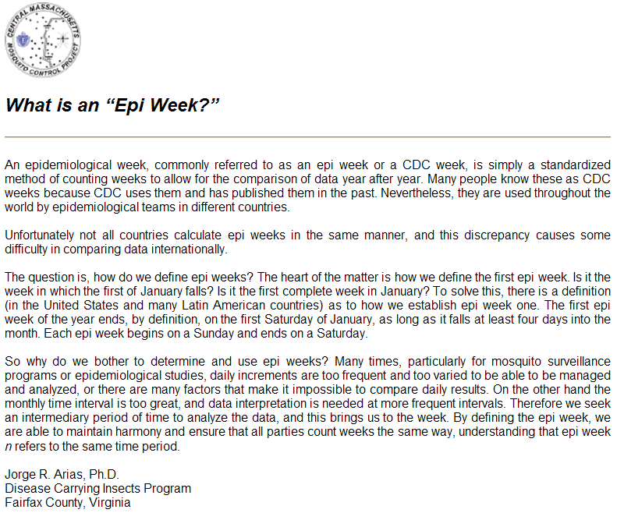
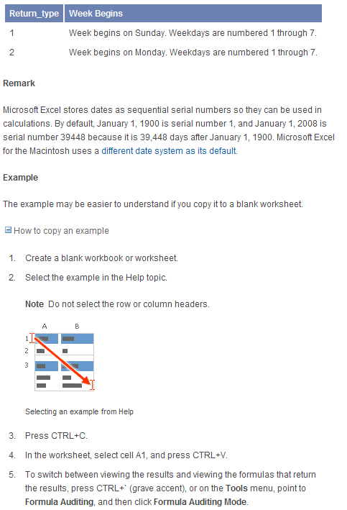
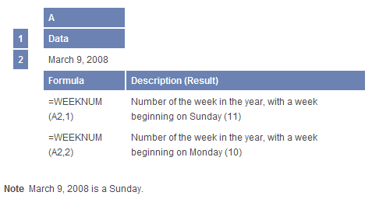
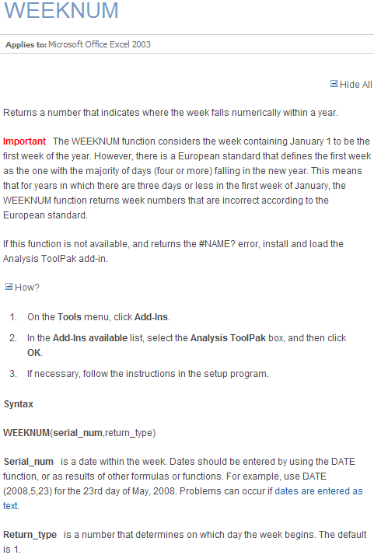
NOTES
 | Microsoft's site with a good explanation of the weeknum formula:

 |  | http://office.microsoft.com/en-us/excel/HP052093371033.aspx

 | Jorge Arias' good explanation of what an Epi-Week or CDC Week is:

 |  | http://www.cmmcp.org/epiweek.htm

